Info
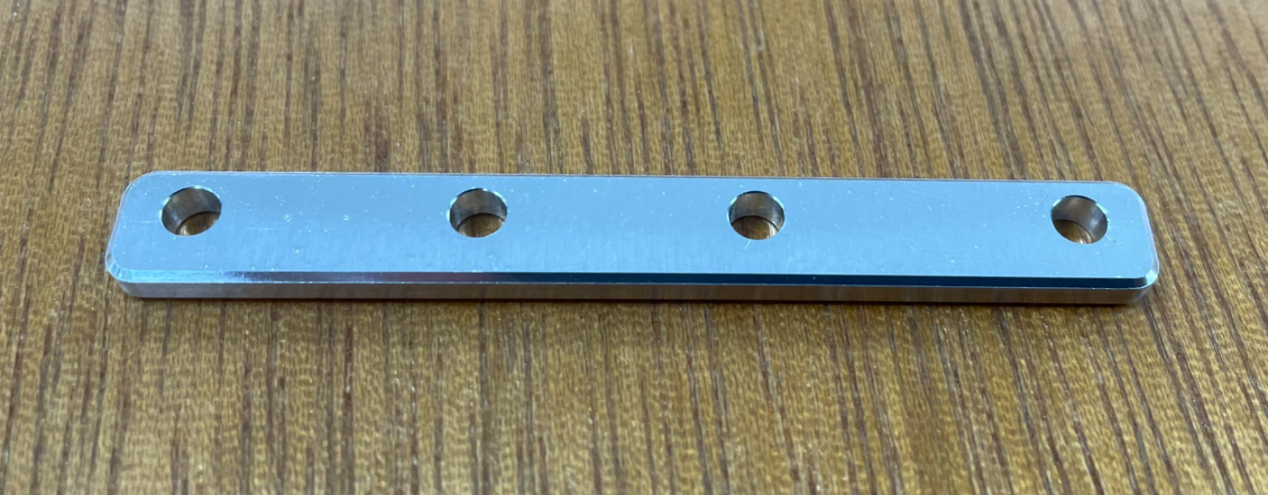
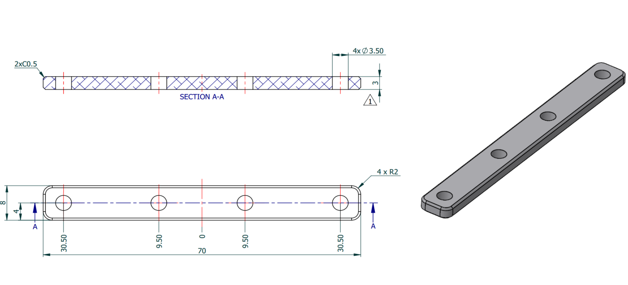

công đoạn 1 | Gia công mặt trên + khoan lỗ

 |  | 7632.6923077

công đoạn 2 | Gia công mặt dưới

